Sheet1
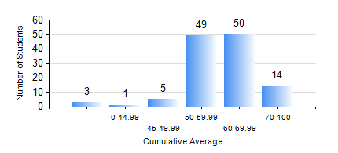
 |  |  | KWAME NKRUMAH UNIVERSITY OF SCIENCE AND TECHNOLOGY, KUMASI Department of Geomatic Engineering

 |  |  | BSC. GEOMATIC ENG.

 |  |  | COMPREHENSIVE RECORD OF EXAMINATION RESULTS

 |  |  | RESULTS OF YEAR 2 SECOND SEMESTER, 2018/2019 ACADEMIC YEAR

 | Sn | Course Code |  | Course Name | Credit Hours | Min. Mark | Max. Mark | Avg. Mark | Std. Dev. | No. Passed | No. Trailed | No. (Df) | No. (I) | No. (I*) | No. Tagged(I,I*,Df) | Total
 | 0. |  |  |  |  |  |  | 0 | 0 | 0 | 0 | 0 | 0 | 0 | 0 | 7
 | 1. | CE 260 |  | SOIL AND ROCK MECHANICS | 3 | 24 | 81 | 51 | 10.87 | 111 | 4 | 0 | 0 | 0 | 0 | 115
 | 2. | ENGL 264 |  | LITERATURE IN ENGLISH II | 1 | 40 | 81 | 72 | 6.38 | 115 | 0 | 0 | 0 | 0 | 0 | 115
 | 3. | GE 262 |  | REMOTE SENSING I | 3 | 21 | 85 | 56 | 12.24 | 108 | 7 | 0 | 0 | 0 | 0 | 115
 | 4. | GE 272 |  | ENGINEERING SURVEY II | 3 | 11 | 95 | 61 | 19.84 | 105 | 10 | 0 | 0 | 0 | 0 | 115
 | 5. | GE 284 |  | HYDROGRAPHIC SURVEYING | 3 | 43 | 90 | 66 | 11.35 | 115 | 0 | 0 | 0 | 0 | 0 | 115
 | 6. | GE 292 |  | SURVEY CAMP/PRACTICAL TASK II | 3 | 43 | 97 | 71 | 12.28 | 115 | 0 | 0 | 0 | 0 | 0 | 115
 | 7. | MATH 252 |  | ANALYSIS IV | 4 | 40 | 76 | 57 | 8.83 | 115 | 0 | 0 | 0 | 0 | 0 | 115

